Demo
Absolute References
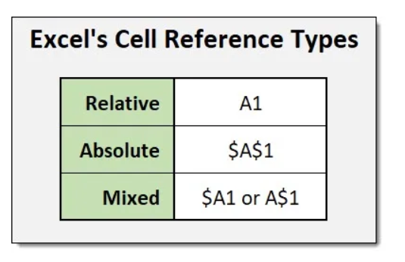
Absolute reference is when a reference has the dollar sign ($).

It locks a reference in the formula.

Add $ to the formula to use absolute references.

The dollar sign has three different states:
 |  |  | A1 | Relative | No lock
Absolute for column and row. The reference is absolutely locked. |  |  | $A$2 | Absolute | Cell/Range lock
Example =$A$1 |  |  | A$3 | Mixed | Row Lock
 |  |  | $A4 | Mixed | Column Lock
Absolute for the column. The reference is locked to that column. The row remains relative.
Example =$A1

Absolute for the row. The reference is locked to that row. The column remains relative.
Example =A$1
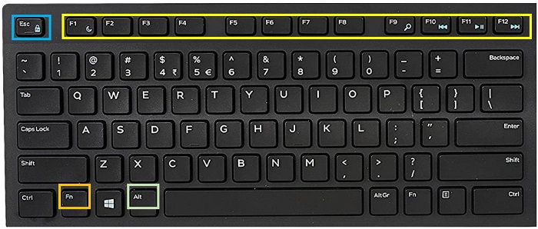
 |  | Press | Freeze
 | F4 or Fn F4 | 1 time | Cell Lock/Range Lock
 | F4 or Fn F4 | 2 times | Row Lock
 | F4 or Fn F4 | 3 times | Column Lock

Definitions
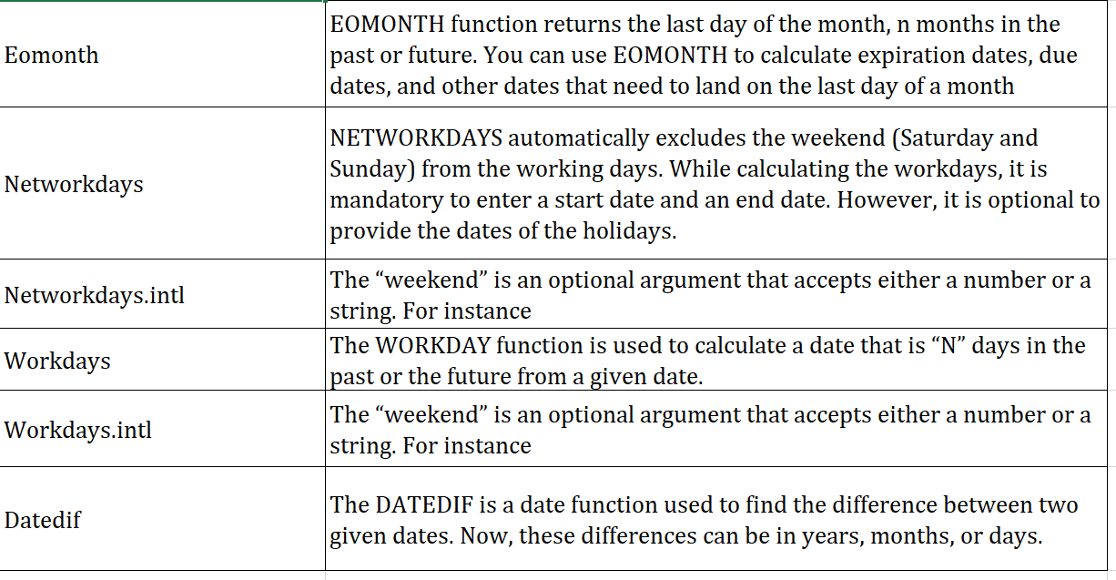

Eomonth
Date | Months | Result | Notes
30-Mar-19 | 1 | 30-Apr-19 | Last day 1 month later
30-Mar-19 | -1 | 28-Feb-19 | Last day 1 month earlier
15-Feb-19 | 3 | 31-May-19 | Last day 3 months later
15-Feb-19 | -6 | 31-Aug-18 | Last day 6 months earlier
15-Mar-19 | 18 | 30-Sep-20 | Last day 18 months later
5-Jul-18 | 24 | 31-Jul-20 | Last day 2 years later
12-Sep-18 | 60 | 30-Sep-23 | Last day 5 years later

